Begg
Survey Reference | Description | Current Location (Building - Floor - Room) | Image | Responsibility | Surveyor | Category | Sub-category | University Collection Category | Disposition Action | Notes
ASA96 | Olympus Rolls Royce engine, used for display purposes | George Begg - A Floor - A.009 | 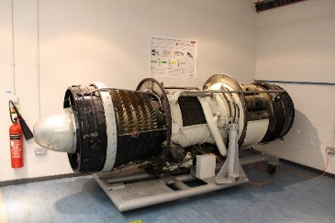 | MACE | Grant Collier (grant.collier@manchester.ac.uk) | Equipment | Other |  |  | Uncertainty about whether on loan
ASA95 | Griffon Rolls Royce jet engine, on display | George Begg - A Floor - A.009 | 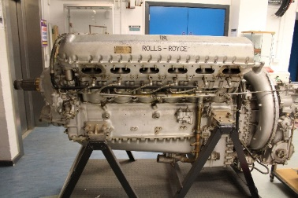 | MACE | Grant Collier (grant.collier@manchester.ac.uk) | Equipment | Other |  |  | Uncertainty about whether on loan
ASA212 | Photo of Osborne Reynolds and students, 1903 | George Begg - A Floor - A.009 | 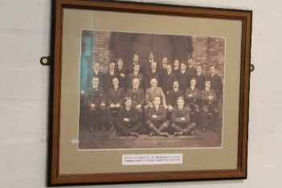 | MACE | Grant Collier (grant.collier@manchester.ac.uk) | Artistic | Framed Photograph
N/A | The Reynolds Barometer | George Begg - A Floor - A.009 | 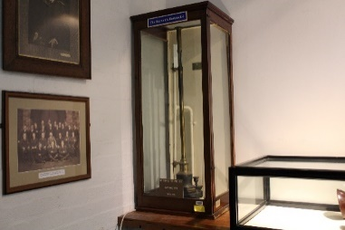 | MACE | Grant Collier (grant.collier@manchester.ac.uk) | Equipment | ScientificApparatus
ASA98 | Osborne's Tank | George Begg - A Floor - A.009 | 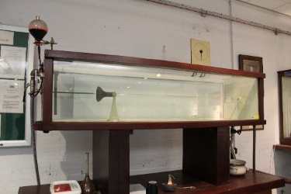 | MACE | Grant Collier (grant.collier@manchester.ac.uk) | Equipment | ScientificApparatus
ASA102 | Osborne's Dynamometer | George Begg - A Floor - A.009 | 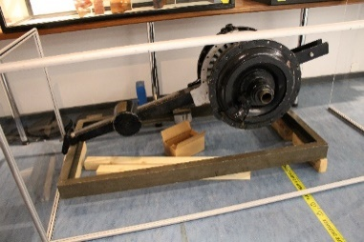 | MACE | Grant Collier (grant.collier@manchester.ac.uk) | Equipment | ScientificApparatus
ASA114 | Osborne Reynolds Research Laboratory Copper Plaque | George Begg - A Floor - A.009 | 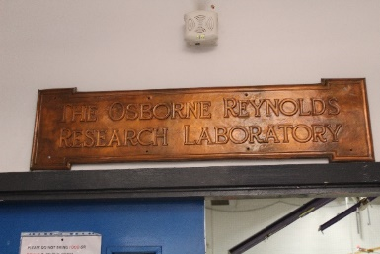 | MACE | Grant Collier (grant.collier@manchester.ac.uk) | Furnishings
ASA108 | Print of a space scene by Alex Clarke, 2007 | George Begg - A Floor - A.009 | 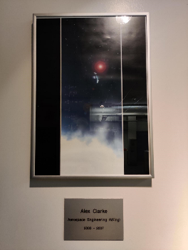 | MACE | Grant Collier (grant.collier@manchester.ac.uk) | Artistic | Print
ASA109 | Abstract painting of mechanical and organic hands by Philippe Murat Korur | George Begg - A Floor - A.009 | 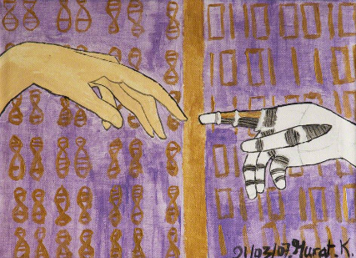 | MACE | Grant Collier (grant.collier@manchester.ac.uk) | Artistic | Print
ASA110 | 'Flight' painting by Katherine Lazell, 2007 | George Begg - A Floor - A.009 |  | MACE | Grant Collier (grant.collier@manchester.ac.uk) | Artistic | Print
ASA185 | Manchester Engineering Department War Memorial (1914-18) - consisting of three plaques | George Begg - A Floor - A.009 | 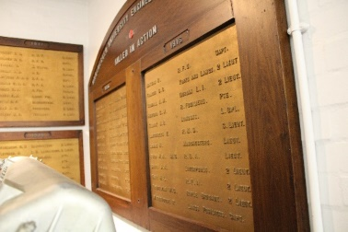 | MACE | Grant Collier (grant.collier@manchester.ac.uk) | Artistic | Plaque |  |  | Item needs to be displayed
ASA186 | 3 cabinets of steam engine models | George Begg - A Floor - A.009 | Various | MACE | Grant Collier (grant.collier@manchester.ac.uk) | Equipment | Model
ASA106 | Abstract print of a parent and child in stained glass by Stephanie Holland, printed in 2007 | George Begg - A Floor - A.009 | 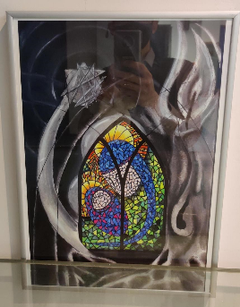 | MACE | Grant Collier (grant.collier@manchester.ac.uk) | Artistic | Print
ASA107 | Abstract print of a smiling lion by Stephanie Holland, printed in 2007 | George Begg - A Floor - A.009 | 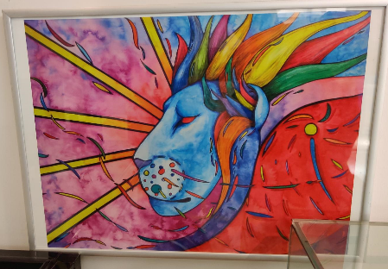 | MACE | Grant Collier (grant.collier@manchester.ac.uk) | Artistic | Print
ASA99 | Reynolds Tank tubes and trumpet mouths displayed in glass case | George Begg - A Floor - A.009 | 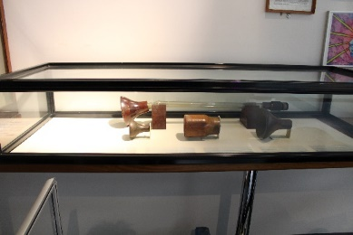 | MACE | Grant Collier (grant.collier@manchester.ac.uk) | Equipment | ScientificApparatus
N/A | Portrait print of Osborne Reynolds | George Begg - A Floor - A.009 | 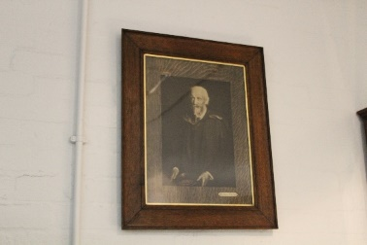 | MACE | Grant Collier (grant.collier@manchester.ac.uk) | Artistic | Print
ASA105 | Abstract print of a roaring lion by Stephanie Holland, printed in 2007 | George Begg - A Floor - A.009 | 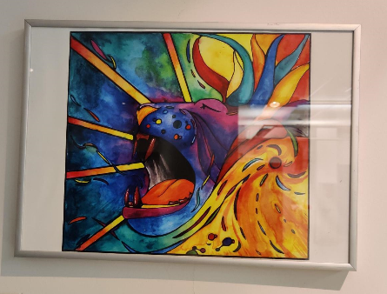 | MACE | Grant Collier (grant.collier@manchester.ac.uk) | Artistic | Print
ASA94 | 'Merlin' Rolls Royce Jet Engine | George Begg - A Floor - A.009 | 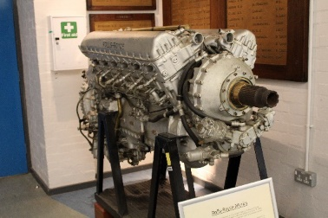 | MACE | Grant Collier (grant.collier@manchester.ac.uk) | Equipment | Other |  |  | Uncertainty about whether on loan
ASA104 | Print of cathedral roof architecture by Stephanie Holland, printed in 2007 | George Begg - A Floor - A.009 | 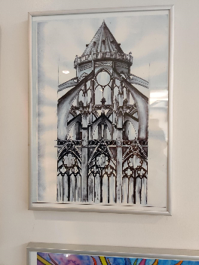 | MACE | Grant Collier (grant.collier@manchester.ac.uk) | Artistic | Print
ASA189 | Model of EE Lightning aircraft | George Begg - A Floor - A.24 | 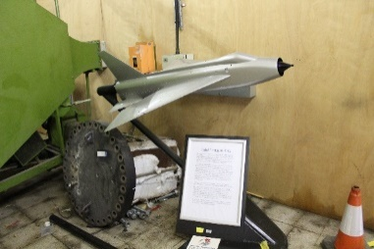 | MACE | Grant Collier (grant.collier@manchester.ac.uk) | Equipment | Model
ASA210 | Airbus UK donated model A380 | George Begg - A Floor - A.26 | 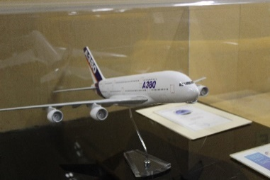 | MACE | Grant Collier (grant.collier@manchester.ac.uk) | Equipment | Model
N/A | Wall-mounted barometer | George Begg - A Floor - Outside A22 |  | MACE | Grant Collier (grant.collier@manchester.ac.uk) | Equipment | ScientificApparatus
ASA113 | Wall-mounted barometer | George Begg - A Floor - Outside A3 | 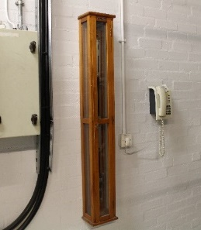 | MACE | Grant Collier (grant.collier@manchester.ac.uk) | Equipment | ScientificApparatus
N/A | Simon Engineering Society Diamond Shield | George Begg - B Floor - B15 | 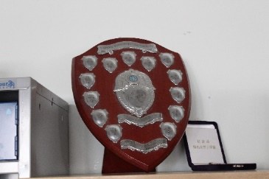 | MACE | Grant Collier (grant.collier@manchester.ac.uk) | Symbolic | Trophy
ASA111 | Set of 4 sculptural figures spelling 'MACE' created by a student, contained within a glass case | George Begg - B Floor - Entrance | 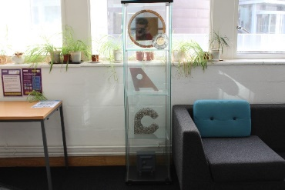 | MACE | Grant Collier (grant.collier@manchester.ac.uk) | Artistic | Figure
ASA93 | Painting of George Alexander James Begg with biographical interpretation in a frame underneath | George Begg - B Floor - Entrance |  | MACE | Grant Collier (grant.collier@manchester.ac.uk) | Artistic | Painting
ASA188 | Ford Cosworth engine | George Begg - B Floor - Entrance | 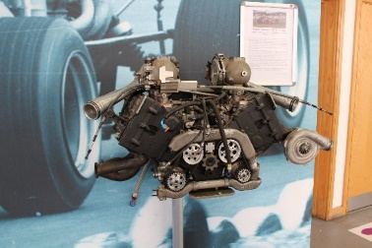 | MACE | Grant Collier (grant.collier@manchester.ac.uk) | Equipment | Other |  |  | Uncertainty about whether on loan
N/A | Plaque commemorating the opening of the Begg building | George Begg - B Floor - Outside Entrance | 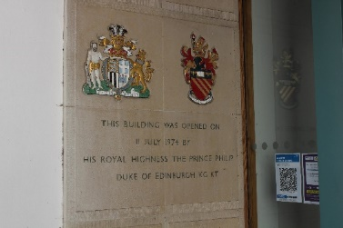 | MACE | Grant Collier (grant.collier@manchester.ac.uk) | Artistic | Plaque |  | Fixed item
ASA103 | Painting of Osborne Reynolds | George Begg - Staircase between B and C Floors | 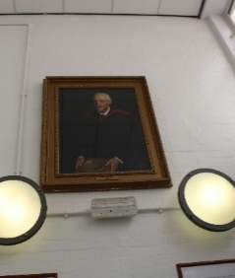 | MACE | Grant Collier (grant.collier@manchester.ac.uk) | Artistic | Painting

Ferranti
Survey Reference | Description | Current Location (Building - Floor - Room) | Image | Responsibility | Surveyor | Category | Sub-category | University Collection Category | Disposition Action | Notes
ASA193 | Four wall-mounted plaques recording laboratory openings | Ferranti - Lower B floor |  | unknown | Grant Collier (grant.collier@manchester.ac.uk) | Artistic | Plaque |  |  | If dismounted, will have to move to heritage store
ASA194 | Framed photograph depicting the opening of Cockcroft lab by Sir John Cockcroft | Ferranti - Lower B floor | 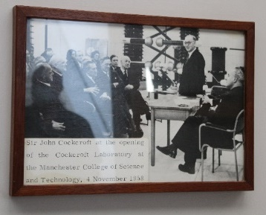 | unknown | Grant Collier (grant.collier@manchester.ac.uk) | Artistic | Framed Photograph |  |  | If unwanted, will be deframed and transferred to University Archives
ASA91 | Wall hanging/tapestry by Susanna Wilding, created in 1992 | Ferranti - Staircase between B and C floors |  | unknown | Grant Collier (grant.collier@manchester.ac.uk) | Artistic | Artistic Textile |  |  | Consider for display in MEC building

Main Building
Survey Reference | Description | Current Location (Building - Floor - Room) | Image | Responsibility | Surveyor | Category | Sub-category | University Collection Category | Disposition Action | Notes
 | Ivan Levinstein RCS memorial plaque | Granby Row - Entrance - Exterior | 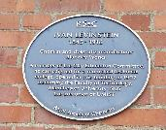 | Unknown | James Peters | Artistic | Plaque | University Heritage | Fixed item
 | UMIST St Augustines Plaque | Granby Row - Entrance - Exterior | 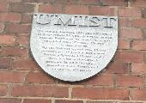 | Unknown | James Peters | Artistic | Plaque | University Heritage | Fixed item
 | Flux meter, box with instrument inside. 20mmx20mmx40mm | Sackville Street Building - A Floor - A3 |  |  | Dr Inaki Erazo Damian | Equipment | ScientificApparatus
UMC.2016.115 (ASA64) | Painting of John Henry Reynolds | Sackville Street Building - B Floor - B.4 (Council Chamber) | 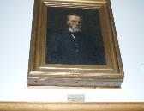 | FSE | Grant Collier (grant.collier@manchester.ac.uk) | Artistic | Painting
UMC.2016.133 (ASA59) | Painting of Lord Bowden of Chesterfield | Sackville Street Building - B Floor - B.4 (Council Chamber) | 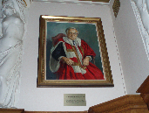 | FSE | Grant Collier (grant.collier@manchester.ac.uk) | Artistic | Painting
UMC.2016.110 (ASA58) | Painting of Joe Burgess | Sackville Street Building - B Floor - B.4 (Council Chamber) | 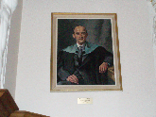 | FSE | Grant Collier (grant.collier@manchester.ac.uk) | Artistic | Painting
UMC.2016.179 (ASA60) | Painting of Professor R F Boucher | Sackville Street Building - B Floor - B.4 (Council Chamber) | 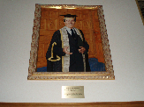 | FSE | Grant Collier (grant.collier@manchester.ac.uk) | Artistic | Painting
UMC.2016.233 (ASA67) | Bronze bust of the Duke of Edinburgh | Sackville Street Building - B Floor - B.4 (Council Chamber) |  | FSE | Grant Collier (grant.collier@manchester.ac.uk) | Artistic | Bust
UMC.2016.203 (ASA66) | Painting of Samuel Elsworth Cottam | Sackville Street Building - B Floor - B.4 (Council Chamber) | 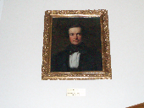 | FSE | Grant Collier (grant.collier@manchester.ac.uk) | Artistic | Painting
UMC.2016.250(ASA65) | Painting of William Henry | Sackville Street Building - B Floor - B.4 (Council Chamber) | 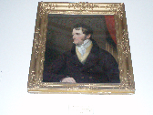 | FSE | Grant Collier (grant.collier@manchester.ac.uk) | Artistic | Painting
UMC.2016.111 (ASA63) | Painting of John Dalton, fellow of the royal society | Sackville Street Building - B Floor - B.4 (Council Chamber) | 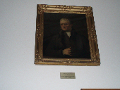 | FSE | Grant Collier (grant.collier@manchester.ac.uk) | Artistic | Painting
UMC.2016.26 (ASA74) | Antique Meeting Table | Sackville Street Building - B Floor - B.4 (Council Chamber) | 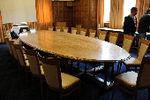 | FSE | Grant Collier (grant.collier@manchester.ac.uk) | Furnishings | Table |  |  | Currently under consideration for Oddfellows Hall
UMC.2016.28 (ASA75) | Antique Side Table | Sackville Street Building - B Floor - B.4 (Council Chamber) | 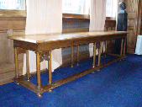 | FSE | Grant Collier (grant.collier@manchester.ac.uk) | Furnishings | Table |  |  | Currently under consideration for Oddfellows Hall
UMC.2016.237 (ASA68) | Reproduction print of the UMIST Royal Charter | Sackville Street Building - B Floor - B.4 (Council Chamber) | 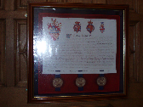 | FSE | Grant Collier (grant.collier@manchester.ac.uk) | Artistic | Print
UMC.2016.178 (ASA61) | Painting of Professor H C A Hankins | Sackville Street Building - B Floor - B.4 (Council Chamber) | 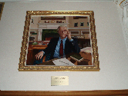 | FSE | Grant Collier (grant.collier@manchester.ac.uk) | Artistic | Painting
ASA76 | Portrait of Professor Christopher Rose-Innes | Sackville Street Building - B Floor - B1a | 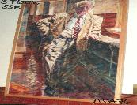 | Unknown (DEEE?) |  | Artistic | Painting
 | Queen's Anniversary Prize 1994 | Sackville Street Building - B Floor - B1a (Dean's Office) |  | Unknown | Grant Collier (grant.collier@manchester.ac.uk) | Symbolic | Award | University Heritage
 | Queen's Anniversary Prize 2004 | Sackville Street Building - B Floor - B1a (Dean's Office) |  | Unknown | Grant Collier (grant.collier@manchester.ac.uk) | Symbolic | Award | University Heritage
 | Queen's Anniversary Prize 1998 | Sackville Street Building - B Floor - B1a (Dean's Office) |  | Unknown | Grant Collier (grant.collier@manchester.ac.uk) | Symbolic | Award | University Heritage
 | Queen's Anniversary Prize 1996 | Sackville Street Building - B Floor - B1a (Dean's Office) |  | Unknown | Grant Collier (grant.collier@manchester.ac.uk) | Symbolic | Award | University Heritage
 | Queen's Award for Export Achievement 1999 | Sackville Street Building - B Floor - B1a (Dean's Office) |  | Unknown | Grant Collier (grant.collier@manchester.ac.uk) | Symbolic | Award | University Heritage
 | Queen's Award for Export Achievement 1995 | Sackville Street Building - B Floor - B1a (Dean's Office) |  | Unknown | Grant Collier (grant.collier@manchester.ac.uk) | Symbolic | Award | University Heritage
 | CZ-5 Space Shuttle Model | Sackville Street Building - B Floor - B1a (Dean's Office) | 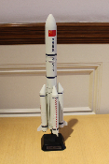 | Unknown | Grant Collier (grant.collier@manchester.ac.uk) | Symbolic | Other | Not heritage -dispose?
 | Gift from National University of Malaysia | Sackville Street Building - B Floor - B1a (Dean's Office) |  | Unknown | Grant Collier (grant.collier@manchester.ac.uk) |  |  | Not heritage -dispose?
 | Bowden | Sackville Street Building - B Floor - B1a (Dean's Office) | 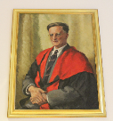 | Unknown | Grant Collier (grant.collier@manchester.ac.uk) | Artistic
 | Ornate inkwell and stand | Sackville Street Building - B Floor - B1a (Dean's Office) | 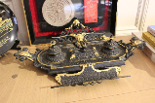 | Unknown | Grant Collier (grant.collier@manchester.ac.uk) | Equipment | Other | Not heritage -dispose?
 | Patterned stone commemorative gift | Sackville Street Building - B Floor - B1a (Dean's Office) | 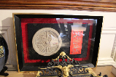 | Unknown | Grant Collier (grant.collier@manchester.ac.uk) | Symbolic | Other | Not heritage -dispose?
 | Dalian University commemorative plate | Sackville Street Building - B Floor - B1a (Dean's Office) | 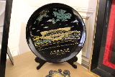 | Unknown | Grant Collier (grant.collier@manchester.ac.uk) | Symbolic | Other | Not heritage - | Dispose
 | Huazhong University of Science and Technology commemorative fabric in decorative case | Sackville Street Building - B Floor - B1a (Dean's Office) |  | Unknown | Grant Collier (grant.collier@manchester.ac.uk) | Symbolic |  | Not heritage -dispose?
 | Harbin Institute of Technology commemorative gift | Sackville Street Building - B Floor - B1a (Dean's Office) | 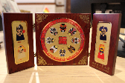 | Unknown | Grant Collier (grant.collier@manchester.ac.uk) | Symbolic |  | Not heritage -dispose?
 | Beijing University of Aeronautics and Astronautics framed commemorative print | Sackville Street Building - B Floor - B1a (Dean's Office) | 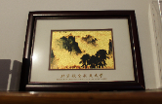 | Unknown | Grant Collier (grant.collier@manchester.ac.uk) | Symbolic |  | Not heritage - | Dispose
 | Indian Institute of Science commemorative candle holder | Sackville Street Building - B Floor - B1a (Dean's Office) |  | Unknown | Grant Collier (grant.collier@manchester.ac.uk) | Symbolic |  | Not heritage - | Dispose
 | LPRC paperweight | Sackville Street Building - B Floor - B1a (Dean's Office) |  | Unknown | Grant Collier (grant.collier@manchester.ac.uk) |  |  | Not heritage - | Dispose
 | Beijing University of Chemical Technology commemorative plate | Sackville Street Building - B Floor - B1a (Dean's Office) | 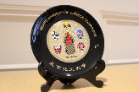 | Unknown | Grant Collier (grant.collier@manchester.ac.uk) | Symbolic |  | Not heritage - | Dispose
 | Ornamental pot | Sackville Street Building - B Floor - B1a (Dean's Office) | 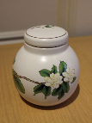 | Unknown | Grant Collier (grant.collier@manchester.ac.uk) | Symbolic | Other | Not heritage - | Dispose
 | Ornamental elephant figure | Sackville Street Building - B Floor - B1a (Dean's Office) | 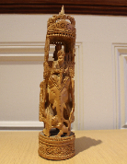 | Unknown | Grant Collier (grant.collier@manchester.ac.uk) | Symbolic | Other | Not heritage - | Dispose
 | Ornamental egg figure | Sackville Street Building - B Floor - B1a (Dean's Office) |  | Unknown | Grant Collier (grant.collier@manchester.ac.uk) | Symbolic |  | Not heritage - | Dispose
 | IET accreditation certificate 2007 | Sackville Street Building - B Floor - B1a (Dean's Office) |  | Unknown | Grant Collier (grant.collier@manchester.ac.uk) | Symbolic |  |  | Deframe and transfer to Archives
 | Framed ornamental shrine picture | Sackville Street Building - B Floor - B1a (Dean's Office) |  | Unknown | Grant Collier (grant.collier@manchester.ac.uk) | Symbolic |  | Not heritage - | Dispose
 | Dalian University of Technology ornamental pen with case | Sackville Street Building - B Floor - B1a (Dean's Office) |  | Unknown | Grant Collier (grant.collier@manchester.ac.uk) | Symbolic |  | Not heritage - | Dispose
 | Metal badge in case | Sackville Street Building - B Floor - B1a (Dean's Office) |  | Unknown | Grant Collier (grant.collier@manchester.ac.uk) | Symbolic |  | Not heritage - | Dispose
 | Huazhong University of Science and Technology commemorative scroll | Sackville Street Building - B Floor - B1a (Dean's Office) |  | Unknown | Grant Collier (grant.collier@manchester.ac.uk) | Symbolic |  | Not heritage - | Dipose
 | M&B 4216 Stamp | Sackville Street Building - B Floor - B1a (Dean's Office) |  | Unknown | Grant Collier (grant.collier@manchester.ac.uk)
 | Mr Peter Thompson Commemorative Medallion | Sackville Street Building - B Floor - B1a (Dean's Office) |  | Unknown | Grant Collier (grant.collier@manchester.ac.uk) | Artistic |  | University Heritage
 | UMIST Medal | Sackville Street Building - B Floor - B1a (Dean's Office) |  | Unknown | Grant Collier (grant.collier@manchester.ac.uk) | Symbolic |  | University Heritage
 | Professor of Structural Engineering Medal | Sackville Street Building - B Floor - B1a (Dean's Office) |  | Unknown | Grant Collier (grant.collier@manchester.ac.uk) | Symbolic |  | University Heritage
 | UMIST Coaster | Sackville Street Building - B Floor - B1a (Dean's Office) |  | Unknown | Grant Collier (grant.collier@manchester.ac.uk) | Symbolic |  | University Heritage
 | Gift bags from Chinese universities | Sackville Street Building - B Floor - B1a (Dean's Office) |  | Unknown | Grant Collier (grant.collier@manchester.ac.uk) | Symbolic |  | Not heritage -dispose
 | National Nuclear Laboratory medal | Sackville Street Building - B Floor - B1a (Dean's Office) |  | Unknown | Grant Collier (grant.collier@manchester.ac.uk) | Symbolic |  | University Heritage
 | Commemorative model from Beijing University of Astronautics and Aeronautics | Sackville Street Building - B Floor - B1a (Dean's Office) |  | Unknown | Grant Collier (grant.collier@manchester.ac.uk) | Symbolic |  | Not heritage - | Dispose
 | Dalian University of Technology commemorative plate | Sackville Street Building - B Floor - B1a (Dean's Office) |  | Unknown | Grant Collier (grant.collier@manchester.ac.uk) |  |  | Not heritage - | Dispose
 | Framed artwork of a hilltop scene in ornate case | Sackville Street Building - B Floor - B1a (Dean's Office) |  | Unknown | Grant Collier (grant.collier@manchester.ac.uk) | Symbolic |  | Not heritage - | Dispose
 | 7 photographs, paintings or prints | Sackville Street Building - B Floor - B21 [formerly in box in a13e basement] |  |  | Julia Hilton |  |  |  | Deframe photographs and transfer to Archives
 | 3 photographs, including 2 group photographs | Sackville Street Building - B floor - B22d |  |  | Julia Hilton |  |  | Archives | Deframe photographs and transfer to Archives
UMC.2016.411 (ASA77) | Framed fabric collage titled 'Network of Nations' by Melissa Craft | Sackville Street Building - B Floor - Corridor outside B.39 |  | Unknown | Grant Collier (grant.collier@manchester.ac.uk) | Artistic | Artistic Textile |  |  | Under consideration for MEC building
ASA218 | Opening of Maurice Beck lab plaque | Sackville Street Building - B Floor - D48 (exterior) |  | Unknown |  | Artistic | Plaque
UMC.2019.22 (ASA35) | Ornate pendulum clock commissioned by Prof H.C.A. Hankins | Sackville Street Building - B Floor - Entrance (Sackville Street) |  | Unknown | Grant Collier (grant.collier@manchester.ac.uk) | Furnishings | Clock | Not in scope
UMC.2021.9 | Wooden plaque with the UMIST crest | Sackville Street Building - B Floor - Store (under stairs) |  | Library | Grant Collier (grant.collier@manchester.ac.uk) | Symbolic | Plaque | University Heritage | In store
UMC.2021.10 | Wall-mounted glass display case with list of heads of department list | Sackville Street Building - B Floor - Store (under stairs) |  | Library | Grant Collier (grant.collier@manchester.ac.uk) | Furnishings | Display case | University Heritage | In store
UMC.2021.11 | Griffin-Telin hot-stage microscope instruction manual | Sackville Street Building - B Floor - Store (under stairs) |  | Unknown | Grant Collier (grant.collier@manchester.ac.uk)
 | Beck London microscope | Sackville Street Building - B Floor - Store (under stairs) |  | Unknown | Grant Collier (grant.collier@manchester.ac.uk) | Equipment | ScientificApparatus |  |  | Potential donation to MSI
UMC.2021.13 | Schott Desiccator | Sackville Street Building - B Floor - Store (under stairs) |  | Unknown | Grant Collier (grant.collier@manchester.ac.uk) | Equipment | ScientificApparatus
UMC.2016.47 / ASA222 | Textile artwork titled 'City' | Sackville Street Building - C Floor - C.11 |  | FSE Estates | Grant Collier (grant.collier@manchester.ac.uk) | Artistic | Artistic Textile |  |  | Under consideration for MEC building
ASA81 | Water Colour Painting of Faraday building | Sackville Street Building - C Floor - C11 |  | FSE Estates |  | Artistic | Painting
ASA82 | Water Colour Painting of Pariser by John Greene | Sackville Street Building - C Floor - C11 |  | FSE Estates |  | Artistic | Painting
ASA83 | Water Colour Painting of Pariser by John Greene | Sackville Street Building - C Floor - C11 |  | FSE Estates |  | Artistic | Painting
 | Framed painting of flowers | Sackville Street Building - D Floor - D29j |  |  | Grant Collier (grant.collier@manchester.ac.uk) | Artistic | Painting
E632084 | Vintage Oertling scientific scales | Sackville Street Building - D Floor - D4b |  |  | Beatrice Bromley | Equipment | ScientificApparatus
ASA89 | Mural by Christopher Rose-Innes | Sackville Street Building - D Floor - D8 |  | DEEE |  | Artistic | Collage |  | Item cannot be displayed and will be required to go into storage.
ASA140 | John Henry Reynolds | Sackville Street Building - D floor - Great Hall |  | Unknown | James Peters | Artistic | Painting
 | Hans Renold | Sackville Street Building - D floor - Great Hall |  | Unknown | James Peters | Artistic | Painting
 | Sir Rowland Smith, Chancellor of UMIST | Sackville Street Building - D floor - Great Hall |  | Unknown | James Peters | Artistic | Painting
 | 4 framed photographs (inc Professor Munro, Professor Rosenbrock, Sir Harold Hartley) and a reproduced article | Sackville Street Building - E floor - E1M |  | DEEE | Julia Hilton |  |  |  | University Archive
 | Framed print | Sackville Street Building - E floor - E1M - Corridor Outside Room |  | DEEE | James Peters/Julia Hilton | Artistic | Print | Item appears to be an original artwork - connection to DEEE is unclear
UMC.2016.243 | Abstract wall hanging by Leslie Bull | Sackville Street Building - E Floor - Lift Lobby |  | Unknown | Grant Collier (grant.collier@manchester.ac.uk) | Artistic | Artistic Textile |  |  | Under consideration for MEC building
UMC.2016.242 (ASA216) | Abstract wall hanging by Natasha Ryder | Sackville Street Building - E Floor - Lift Lobby |  | Unknown | Grant Collier (grant.collier@manchester.ac.uk) | Artistic | Artistic Textile |  |  | Under consideration for MEC building
 | Framed portrait (drawing) | Sackville Street Building - F Floor - 11B (Rose-Innes Room) |  | Unknown | Grant Collier (grant.collier@manchester.ac.uk) | Artistic | Drawing
 | Framed cartoon drawing | Sackville Street Building - F Floor - 11B (Rose-Innes Room) |  | Unknown | Grant Collier (grant.collier@manchester.ac.uk) | Artistic | Cartoon
 | Framed drawing | Sackville Street Building - F Floor - 11B (Rose-Innes Room) |  |  | Grant Collier (grant.collier@manchester.ac.uk) | Artistic | Drawing
 | Fellows of the Royal Society board | Sackville Street Building - F Floor - 11B (Rose-Innes Room) |  | Unknown | Grant Collier (grant.collier@manchester.ac.uk) | Architectural | Plaque | University Heritage
 | Landscape painting of grasslands | Sackville Street Building - F Floor - 11B (Rose-Innes Room) |  | Unknown | Grant Collier (grant.collier@manchester.ac.uk) | Artistic | Painting
 | Landscape painting of a coastal scene | Sackville Street Building - F Floor - 11B (Rose-Innes Room) |  | Unknown | Grant Collier (grant.collier@manchester.ac.uk) | Artistic | Painting
 | Framed painting of seashells | Sackville Street Building - F Floor - 11B (Rose-Innes Room) |  | Unknown | Grant Collier (grant.collier@manchester.ac.uk) | Artistic | Painting
 | Framed painting of a dockyard scene | Sackville Street Building - F Floor - 11B (Rose-Innes Room) |  | Unknown | Grant Collier (grant.collier@manchester.ac.uk) | Artistic | Painting
 | Glass UMIST shield sculpture | Sackville Street Building - F Floor - 11B (Rose-Innes Room) |  | Unknown | Grant Collier (grant.collier@manchester.ac.uk) | Artistic | Sculpture | Transfer to University heritage | Transfer to store
 | Damaged abstract painting | Sackville Street Building - F Floor - 11B (Rose-Innes Room) |  | Unknown | Grant Collier (grant.collier@manchester.ac.uk) | Artistic | Painting
 | Framed painting of an industrial interior | Sackville Street Building - F Floor - 11B (Rose-Innes Room) |  | Unknown | Grant Collier (grant.collier@manchester.ac.uk) | Artistic | Painting
 | Siemens Robot | Sackville Street Building - G Floor - Lift lobby |  | Poss DEEE | James Peters | Equipment | ScientificApparatus | Requires reuniting with rest of Robot orchestra |  | Not in scope
ASA221 | Wall hanging | Sackville Street Building - Original building lift x 2 (Sackville St entrance) |  | Unknown | James Peters | Artistic |  | University Heritage | Transfer to store

Meeting Place
Survey Reference | Description | Current Location (Building - Floor - Room) | Image | Responsibility | Surveyor | Category | Sub-category | University Collection Category | Disposition Action | Notes
N/A | SS Manchester Shipper model | Meeting Place - 1st Floor - Daniel Adamson |  | Campus Catering | James Peters/Jane Pinder | Symbolic | Other
N/A | Ship Canal Photos x 4 | Meeting Place - 1st Floor - Daniel Adamson |  | Campus catering | James Peters/Jane Pinder | Artistic | Framed Photograph

The Mill
Survey Reference | Description | Current Location (Building - Floor - Room) | Image | Responsibility | Surveyor | Category | Sub-category | University Collection Category | Disposition Action | Notes
 | George Davis | The Mill - C Floor - C6 |  | CEAS | Andrew Evans | Artistic | Painting
ASA29 | Model of ICI 1978 PVC8 Maunfacturing Plant | The Mill - C Floor - CEAS reception |  | CEAS | James Peters | Equipment | Model
 | George E Davis memorial | The Mill - C Floor - CEAS reception |  | CEAS | James Peters | Artistic | Plaque
 | Queen's Anniversary Prize print | The Mill - C Floor - Corridor opposite foyer |  | CEAS | James Peters | Symbolic | Award |  | Deframe and transfer to Archives
ASA29 | Portrait of Professor Graham Wood | The Mill - E Floor - Corridor |  | CEAS | James Peters | Artistic | Painting
 | UMIST Awards | The Mill - E Floor - Corridor |  | CEAS | James Peters | Symbolic | Award |  | Deframe and transfer to Archives
 | 9 prints of UMIST pre and during development work | The Mill - E Floor - Landing |  | CEAS | James Peters | Artistic | Framed Photograph |  | Deframe and transfer to Archives if not wanted

Pariser
Survey Reference | Description | Current Location (Building - Floor - Room) | Image | Responsibility | Surveyor | Category | Sub-category | University Collection Category | Disposition Action | Notes
 | Plaque commemorating the merchant structural engineering laboratories | Pariser - A Floor - Entrance to workshop |  | MACE | Grant Collier (grant.collier@manchester.ac.uk) | Artistic | Plaque |  |  | May be a fixed item
 | Map of the UMIST campus in 1994 | Pariser - A Floor - Under Hydro Lab |  | MACE | Grant Collier (grant.collier@manchester.ac.uk) |  |  | Not heritage | Transfer to map collection
ASA191 | 11 framed photos of significant Manchester landmarks | Pariser - B Floor - Corridor between B2 and B8 | Various | MACE | Grant Collier (grant.collier@manchester.ac.uk) | Artistic | Print | Not heritage
ASA203 | Opening of the Pariser Building by Prince Philip | Pariser - B Floor - Foyer (Pariser Café) |  | MACE | Grant Collier (grant.collier@manchester.ac.uk) | Artistic | Plaque | University Heritage | Fixed
ASA204 | Portrait of Derek Bratton | Pariser - B floor - On wall in B floor staircase |  | MACE | Grant Collier (grant.collier@manchester.ac.uk) | Artistic | Framed Photograph |  |  | If MACE no longer require this item, there is an option of deframe and transfer to the university photograph collection
 | A cabinet containing various engineering and architectural drawings in north west region of England. | Pariser - B Floor - Outside B17 |  | MACE | Grant Collier (grant.collier@manchester.ac.uk) |  |  | Not heritage - | Dispose/transfer to map collection
ASA122 | 'Whitworth Gauge Set' by Sir Joseph Whitworth | Pariser - B Floor - Outside B38 |  | MACE | Grant Collier (grant.collier@manchester.ac.uk) | Equipment | ScientificApparatus
ASA123 | Holtzafffel Ornamental Turning Lathe no.1762, July 1839 | Pariser - B Floor - Outside B38 |  | MACE | Grant Collier (grant.collier@manchester.ac.uk) | Equipment | ScientificApparatus
 | Map of Manchester c.1950 | Pariser - B Floor - Outside B61 |  | MACE | Grant Collier (grant.collier@manchester.ac.uk) |  |  | Not heritage | Library Maps Collection willing to take
ASA190 | Sir Frederick Henry Royce and plaque | Pariser - B Floor - Wall near B42 |  | MACE | Grant Collier (grant.collier@manchester.ac.uk) | Artistic | Painting |  | Transfer to Royce Institute
 | UMIST/VUM Joint Award Winners 2003/4 | Pariser - C Floor - Between C11 and C12 |  | MACE | Grant Collier (grant.collier@manchester.ac.uk) | Symbolic | Award |  | Deframe and transfer to University Archive
 | 1994 student project map of North Campus | Pariser - C Floor - Opposite C6 |  | MACE | Grant Collier (grant.collier@manchester.ac.uk) | Artistic | Other | Not heritage | Library Maps Collection willing to take
ASA124 | Surveying Equipment manufactured pre 1900 in cabinet | Pariser - C floor - Outside C6 |  | MACE | Grant Collier (grant.collier@manchester.ac.uk) | Equipment | ScientificApparatus
ASA125 | Surveying Equipment manufactured pre 1900 in cabinet | Pariser - C floor - Outside C7 |  | MACE | Grant Collier (grant.collier@manchester.ac.uk) | Equipment | ScientificApparatus
 | Bust of John Dalton and framed certificate. High security area - extra authorisation required to enter. | Pariser - G Floor - Dalton Nuclear Institute |  | Dalton Nuclear Institute | Grant Collier (grant.collier@manchester.ac.uk) | Artistic | Bust | On loan - not in scope
ASA205 | Nuclear Engineering model | Pariser - G floor - Foyer |  | MACE | Grant Collier (grant.collier@manchester.ac.uk) | Equipment | Model
ASA128 | Portait of Sir John Mason and plaque | Pariser - H Floor - Landing |  | MACE | Grant Collier (grant.collier@manchester.ac.uk) | Artistic | Painting
 | Map of Birtle Bleach Works | Pariser - J Floor - J6 (Surveying Store) |  | MACE | Grant Collier (grant.collier@manchester.ac.uk) |  |  | Not heritage | Library Maps Collection willing to take
J9 | Metal measuring device | Pariser - J Floor - J6 (Surveying Store) |  | MACE | Grant Collier (grant.collier@manchester.ac.uk) | Equipment | ScientificApparatus
27 | Optical Pyrometer | Pariser - J Floor - J6 (Surveying Store) |  | MACE | Grant Collier (grant.collier@manchester.ac.uk) | Equipment | ScientificApparatus
J3 | Measuring device | Pariser - J Floor - J6 (Surveying Store) |  | MACE | Grant Collier (grant.collier@manchester.ac.uk) | Equipment | ScientificApparatus
J6 | Ruler set | Pariser - J Floor - J6 (Surveying Store) |  | MACE | Grant Collier (grant.collier@manchester.ac.uk) | Equipment | ScientificApparatus
58 | Ruler set | Pariser - J Floor - J6 (Surveying Store) |  | MACE | Grant Collier (grant.collier@manchester.ac.uk) | Equipment | ScientificApparatus
43 | Commemorative metal plate, literally 'offered by the best deputation of east Flanders' | Pariser - J Floor - J6 (Surveying Store) |  | MACE | Grant Collier (grant.collier@manchester.ac.uk) | Symbolic | Award
61 | Harmonic Analyser | Pariser - J Floor - J6 (Surveying Store) |  | MACE | Grant Collier (grant.collier@manchester.ac.uk) | Equipment | ScientificApparatus
T.H. 51A | Surveying instrument | Pariser - J Floor - J6 (Surveying Store) |  | MACE | Grant Collier (grant.collier@manchester.ac.uk) | Equipment | ScientificApparatus
63/4 | Engineering society printing plates | Pariser - J Floor - J6 (Surveying Store) |  | MACE | Grant Collier (grant.collier@manchester.ac.uk) | Equipment | Other |  |  | Recommend disposal
 | Surveying instrument in orange box | Pariser - J Floor - J6 (Surveying Store) |  | MACE | Grant Collier (grant.collier@manchester.ac.uk) | Equipment | ScientificApparatus
 | Surveying instrument in grey box | Pariser - J Floor - J6 (Surveying Store) |  | MACE | Grant Collier (grant.collier@manchester.ac.uk) | Equipment | ScientificApparatus
 | Surveying instrument in brown leather case | Pariser - J Floor - J6 (Surveying Store) |  | MACE | Grant Collier (grant.collier@manchester.ac.uk) | Equipment | ScientificApparatus
 | Traverse Set No. 1 | Pariser - J Floor - J6 (Surveying Store) |  | MACE | Grant Collier (grant.collier@manchester.ac.uk) | Equipment | ScientificApparatus
L10A | Surveying instrument in wooden box | Pariser - J Floor - J6 (Surveying Store) |  | MACE | Grant Collier (grant.collier@manchester.ac.uk) | Equipment | ScientificApparatus
 | Surveying instrument in brown leather case | Pariser - J Floor - J6 (Surveying Store) |  | MACE | Grant Collier (grant.collier@manchester.ac.uk) | Equipment | ScientificApparatus
 | Surveying instrument in brown leather case | Pariser - J Floor - J6 (Surveying Store) |  | MACE | Grant Collier (grant.collier@manchester.ac.uk) | Equipment | ScientificApparatus
 | Watts Ewing Stadi-Altimeter in brown leather case | Pariser - J Floor - J6 (Surveying Store) |  | MACE | Grant Collier (grant.collier@manchester.ac.uk) | Equipment | ScientificApparatus
 | Surveying equipment in grey case | Pariser - J Floor - J6 (Surveying Store) |  | MACE | Grant Collier (grant.collier@manchester.ac.uk) | Equipment | ScientificApparatus
L19A | Chadburns surveying equipment in wooden box | Pariser - J Floor - J6 (Surveying Store) |  | MACE | Grant Collier (grant.collier@manchester.ac.uk) | Equipment | ScientificApparatus
 | Surveying instrument in wooden box | Pariser - J Floor - J6 (Surveying Store) |  | MACE | Grant Collier (grant.collier@manchester.ac.uk) | Equipment | ScientificApparatus
 | Hilger and Watts box baseline equipment no. 1 | Pariser - J Floor - J6 (Surveying Store) |  | MACE | Grant Collier (grant.collier@manchester.ac.uk) | Equipment | ScientificApparatus
 | Lomas and baines surveying equipment in grey case | Pariser - J Floor - J6 (Surveying Store) |  | MACE | Grant Collier (grant.collier@manchester.ac.uk) | Equipment | ScientificApparatus
 | Baseline equipment no. 2 | Pariser - J Floor - J6 (Surveying Store) |  | MACE | Grant Collier (grant.collier@manchester.ac.uk) | Equipment | ScientificApparatus
 | Baseline equipment in similar box | Pariser - J Floor - J6 (Surveying Store) |  | MACE | Grant Collier (grant.collier@manchester.ac.uk) | Equipment | ScientificApparatus
 | Baseline equipment in similar box | Pariser - J Floor - J6 (Surveying Store) |  | MACE | Grant Collier (grant.collier@manchester.ac.uk) | Equipment | ScientificApparatus
 | 3 boxes with Amsler instruments | Pariser - J Floor - J6 (Surveying Store) |  | MACE | Grant Collier (grant.collier@manchester.ac.uk) | Equipment | ScientificApparatus
 | Old surveying equipment | Pariser - J Floor - J6 (Surveying Store) |  | MACE | Grant Collier (grant.collier@manchester.ac.uk) | Equipment | ScientificApparatus
 | Reynolds & Brenson scientific instrument | Pariser - J Floor - J6 (Surveying Store) |  | MACE | Grant Collier (grant.collier@manchester.ac.uk) | Equipment | ScientificApparatus
 | 'Karti No. 2' instrument in wooden box | Pariser - J Floor - J6 (Surveying Store) |  | MACE | Grant Collier (grant.collier@manchester.ac.uk) | Equipment | ScientificApparatus
 | Surveying tripod legs | Pariser - J Floor - J6 (Surveying Store) |  | MACE | Grant Collier (grant.collier@manchester.ac.uk) | Equipment | ScientificApparatus
 | 'Karti No. 1' instrument in wooden box | Pariser - J Floor - J6 (Surveying Store) |  | MACE | Grant Collier (grant.collier@manchester.ac.uk) | Equipment | ScientificApparatus
 | Instrument in large wooden box | Pariser - J Floor - J6 (Surveying Store) |  | MACE | Grant Collier (grant.collier@manchester.ac.uk) | Equipment | ScientificApparatus
 | 'Karti No. 3' instrument in wooden box | Pariser - J Floor - J6 (Surveying Store) |  | MACE | Grant Collier (grant.collier@manchester.ac.uk) | Equipment | ScientificApparatus
 | "Resilia" NE 146 meter | Pariser - J Floor - J6 (Surveying Store) |  | MACE | Grant Collier (grant.collier@manchester.ac.uk) | Equipment | ScientificApparatus
 | Duo Britannic Mechanical Calculator | Pariser - J Floor - J6 (Surveying Store) |  | MACE | Grant Collier (grant.collier@manchester.ac.uk) | Equipment | ScientificApparatus
 | Large philips light bulb | Pariser - J Floor - J6 (Surveying Store) |  | MACE | Grant Collier (grant.collier@manchester.ac.uk) | Equipment | Electrical
ASA126 | 'Palau Guell' print of original by Rosa Cortes Pages | Pariser - Staircase between E and F floors |  | MACE | Grant Collier (grant.collier@manchester.ac.uk) | Artistic | Print | Not heritage -
ASA127 | Bellesguard' print of original by Antonio Toscano Gonzaler | Pariser - Staircase between F and G floors |  | MACE | Grant Collier (grant.collier@manchester.ac.uk) | Artistic | Print | Not heritage
ASA228 | No. 1, City Road, Manchester | Pariser - Staircase between G and H floors |  | MACE | Grant Collier (grant.collier@manchester.ac.uk) | Artistic | Framed Photograph | Not heritage
ASA129 | A Fragment of Façade of the Sagrada Familia' | Pariser - Staircase between H and J floors |  | MACE | Grant Collier (grant.collier@manchester.ac.uk) | Artistic | Print | Not heritage
ASA192 | A Fragment of Façade of the Casa Mila' | Pariser - Staircase between J and K floors |  | MACE | Grant Collier (grant.collier@manchester.ac.uk) | Artistic | Print | Not heritage
ASA207 | Victoria Building, Salford Quays | Staircase landing between C and D floors |  | MACE | Grant Collier (grant.collier@manchester.ac.uk) | Artistic | Framed Photograph | Not heritage
ASA206 | Chek Lap Kok Airport print | Staircase landing between E and D floors |  | MACE | Grant Collier (grant.collier@manchester.ac.uk) | Artistic | Framed Photograph | Not heritage
 | John Hopkinson Painting | Pariser - J Floor - J4 |  | TBC | James Peters (james.peters@manchester.ac.uk) | Artistic | Painting |  |  | Subject is an electrical engineer - painting formerly displayed in VUM physics
 | Unknown Individual Painting (artist Gertrude Coventry) | Pariser - J Floor - J4 |  | TBC | James Peters (james.peters@manchester.ac.uk) | Artistic | Painting |  |  | Subject not identified - so cannot be tied to a Collection
 | Unknown Individual Painting (artist prob Allan Cownie) | Pariser - J Floor - J4 |  | TBC | James Peters (james.peters@manchester.ac.uk) | Artistic | Painting |  |  | Subject not identified - so cannot be tied to a Collection

Renold
Survey Reference | Description | Current Location (Building - Floor - Room) | Image | Responsibility | Surveyor | Category | Sub-category | University Collection Category | Disposition Action | Notes
N/A | Painting of Sir Charles Renold | Renold Building - C Floor - Foyer |  | Unknown | Grant Collier (grant.collier@manchester.ac.uk) | Artistic | Painting
N/A | Painting of Sir John Mason by David Atack | Renold Building - C Floor - Foyer |  | Unknown | Grant Collier (grant.collier@manchester.ac.uk) | Artistic | Painting
ASA17 | John Garside Painting | Renold Building - C Floor - Foyer |  | Unknown | Grant Collier (grant.collier@manchester.ac.uk) | Artistic | Painting
ASA14 | Metamorphosis' 1968 Mural by Victor Pasmore | Renold Building - C Floor - Foyer |  | Unknown | Grant Collier (grant.collier@manchester.ac.uk) | Artistic | Mural |  | Fixed - Cannot be moved

Wright-Robinson Hall
Survey Reference | Description | Current Location (Building - Floor - Room) | Image | Responsibility | Surveyor | Category | Sub-category | University Collection Category | Disposition Action | Notes
 | Painting of Alderman Wright Robinson | Wright-Robinson Hall - Floor C - Entrance |  | Residences | Grant Collier (grant.collier@manchester.ac.uk) | Artistic | Painting | Residences |  | Association with Hall gives painting its context. If Hall closes, the item may need to be reconsidered for the UA collection
 | Commemorative plaque for Alderman Wright Robinson | Wright-Robinson Hall Exterior - Main Entrance - East Side |  | Residences | James Peters | Artistic | Plaque | Residences | Fixed

