Sustainabililty_Labels
 | What does it look like? | What does it mean? | Product categories
 |  |  | Food and drink | Textiles | Furniture | Construction materials | Energy using appliances, including IT equipment | Stationery/paper products | Flowers | Precious metals | Cosmetics and cleaning products | Organisations
Fairtrade | 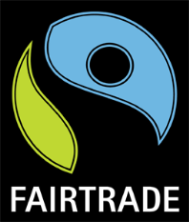 | The Fairtrade Mark means that the product, or Fairtrade ingredients in the product, have been produced by small-scale farmer organisations or plantations that meet Fairtrade social, economic and environmental standards. These include protection of workers’ rights through payment of a minimum price and an additional Fairtrade Premium to invest in business or community projects. Fairtrade does address environmental issues to some extent, but is primarily concerned with worker welfare. For a product to be certified 'Fairtrade' it all needs to have come from a certified producer. | ü | ü |  |  |  |  | ü | ü | ü
Organic | 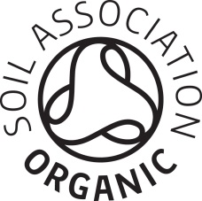 | Products labelled as Organic must meet a strict set of standards which define what farmers and manufacturers can and cannot do during production. The Label shows that a product, or ingredient, has been produced without the use of chemical fertilizers and pesticides, which may be harmful to health or the environment. To be certified, over 90% of content must be produced organically (if Organic content is over 75% but less than 90%, the Organic logo can be displayed, but the amount of Organic content must be stated). Other certification bodies also certify Organic products, but the Soil Association (logo displayed) is the most commonly found in the UK. Some products also use terminology like 'natural' or 'organic' but if this is not certified, it can not be verified. If in doubt, call the Certification body to ask for further details of a product. | ü | ü |  |  |  |  |  |  | ü
Rainforest Alliance | 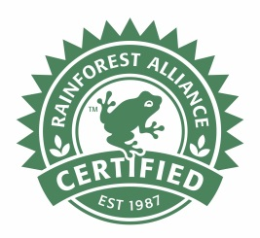 | Depicts farms and forests that are managed according to environmental, social and economic criteria designed to conserve wildlife, safeguard soils and waterways, and protect workers, and their communities. Aims to certify farms that are teaching the farmers how to farm sustainably while conserving the environment. Rainforest Alliance is often confused with Fairtrade. Unlike Fairtrade, there is no guarantee of a minimum commodity price. For a product to be certified 'Rainforest Alliance' 30% of content needs to have come from a certified producer. | ü |  | ü |  |  | ü | ü
Carbon Trust Footprint |  | The Footprint label shows that efforts to measure the carbon footprint of a product have been taken, and the methodology and result independently verified. Unless comparing two products that both have the label, the label is somewhat meaningless as it is not able to tell you whether the footprint is high or low. It does, however, demonstrate that the manufacturer is taking steps to measure and/or reduce the footprint of their product. It is not currently widely used in the UK, but use appears to be increasing. | ü | ü | ü |  | ü | ü | ü | ü | ü | ü
Red Tractor Farm Assured |  | The Red Tractor scheme certifies food produced in Britain and to certain quality standards for food safety, hygiene, and the environment, and reflects standard industry practice in the UK. Standards go beyond legislation in some, but not all, areas, so this should be used as a certification of provenance as opposed to animal welfare. | ü
Marine Stewardship Council (MSC) | 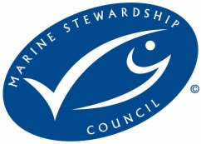 | Seafood carrying the blue MSC ecolabel has come from an MSC rated fishery, which can demonstrate it is meeting the principles of sustainable fish stocks, minimising environmental impact and effective management. The MSC label can include most types of fish and shellfish, of any size, type or location. MSC also publich a 'redlist' or 'fish to avoid' list. It is KU policy to increase the proportion of MSC fish sold on site, and never to procure fish that is on the red list. | ü
Programme for the Endorsement of Forest Certification (PEFC) | 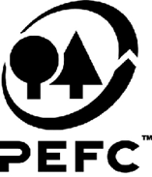 | PEFC and FSC are the world's largest forest certification programs. They both require that forest management practices conform to existing laws, protect biodiversity, species at risk and wildlife habitat; set sustainable harvest levels; protect water quality; and encourage prompt regeneration. PEFC is the largest certification framework in terms of forest area, with approximately two-thirds of the total certified area. For a product to be PEFC certified, it has to be supplied by a supplier who is also licenced by PEFC. This enables a 'paper trail' to track the supply of the timber at each point, and is known as 'Chain of Custody'. |  |  | ü | ü |  |  |  |  |  | ü
FSC | 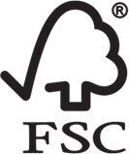 | PEFC and FSC are the world's largest forest certification programs. They both require that forest management practices conform to existing laws, protect biodiversity, species at risk and wildlife habitat; set sustainable harvest levels; protect water quality; and encourage prompt regeneration. The FSC program is the fastest growing forest certification standard. For a product to be FSC certified, it has to be supplied by a supplier who is also licenced by FSC. This enables a 'paper trail' to track the supply of the timber at each point, and is known as 'Chain of Custody'. |  |  | ü | ü |  |  |  |  |  | ü
Energy Star | 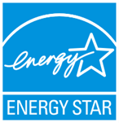 | This is an American label, increasingly found on equipment, mainly IT equipment, in the UK. It was designed to signpost efficient equipment, where product energy consumption and performance can be measured and verified with independent testing. Importantly it also requires that if a certified product costs more than a conventional, less-efficient counterpart, purchasers will recover their investment in increased energy efficiency through savings in-use, within a reasonable period of time. |  |  |  | ü | ü
EPEAT |  | Rating system for electronic/IT products that can demonstrate reduced environmental impacts across the full product lifecycle — including design, energy in use and end of life. Products must meet all required criteria to be registered in EPEAT at the Bronze level. They may then be registered as Silver or Gold based on the percentage of optional criteria they meet above that baseline. |  |  |  |  | ü
European Eco Label | 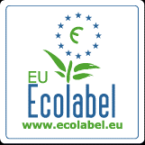 | The European Eco-label is administered by the EU and covers a range of products and services. To qualify for Ecolabel, products have to comply with a set of environmental criteria, that apply across the life cycle of the product from resource extraction, to in-use, and disposal. Criteria is tailored to address the specific issues related with each product group, for example paints must contain 10x fewer VOCs than conventional varieties, and paper must be recycled or from sustainably managed forests. A 'fit for purpose' requirement is included across all categories which is designed to demonstrate quality. |  | ü | ü | ü | ü | ü |  |  | ü
OEKO-Tex | 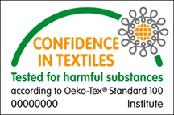 | The OEKO-TEX® Standard 100 is an independent testing and certification system for textile raw materials, intermediate and end products at all stages of production. It is predominently a health based certification, but will have related environmental benefits. Testing for harmful substances includes: Illegal substances; Legally regulated substances; Known harmful (but not legally regulated) chemicals; Parameters for health care. The standards tested may exceed local legislation, but not necessarily. It should also be remembered that UK legislation is often higher than countries in which clothing manufacturing often occurs, and this is not a guarantee that production processes would comply with UK law. Also, Oeko-Tex does not relate to the conditions by which a product has been produced and should not be used to demonstrate that a garmet has not been produced in a 'sweat shop'. |  | ü
ISO14001 |  | ISO14001 is an external certification given to organisations that have a robust Environmental Management System (EMS) in place. An EMS is a framework that can be used to identify and manage environmental impact, with a view to continual improvement over time. ISO14001 does not have a logo, and certification can be given by a range of auditors. Certificates should always display the UKAS logo, however, as this is the national accreditation body that regulates auditors. Some organisations hold ISO14001 certificates from a non-UKAS registered auditor, and these should be viewed with caution as there is no guarantee of rigour. |  |  |  |  |  |  |  |  |  | ü
BS8555 / Acorn |  | A phased approach to implementing an Environmental Management System. Often used by SMEs. There are five phases in total, with phase 5 being equivalent to ISO14001 (see ISO14001). Again, certification should be given only by UKAS accredited auditors. |  |  |  |  |  |  |  |  |  | ü
ISO19001 |  | International framework for assessing and certifying an organisation's Quality Management System. Sustainability considerations can be integrated within a Quality Management System, but ISO19001 is no guarantee that an organisation is taking sustainability seriously. There is no logo, but again certification should only be given by UKAS accredited auditors. |  |  |  |  |  |  |  |  |  | ü
ISO18001 |  | International framework for assessing and certifying an organisation's Health and Safety Management System. Sustainability considerations can be integrated within a Health and Safety Management System, but ISO18001 is no guarantee that an organisation is taking sustainability seriously. There is no logo, but again certification should only be given by UKAS accredited auditors. |  |  |  |  |  |  |  |  |  | ü
BES6001 |  | Demonstrates the responsible sourcing of construction products. The standard, which can be externally certified by UKAS accredited auditors, describes a framework for the organisational governance, supply chain management and environmental and social aspects that must be addressed in order to ensure the responsible sourcing of construction products. |  |  |  | ü
BREEAM |  | Environmental assessment method to show sustainability assessment of new, existing buildings and community scale development. There are five BREEAM ratings ranging from Pass to Outstanding. |  |  |  | ü
BRE Green Guide products (for BREEAM) | A+ - E rating | Information on the environmental impacts of various building elements and specifications ranked on an A+ to E rating scale. These environmental rankings are based on life cycle assessments (LCA), and are often used as part of a BREEAM project. The aim is to provide guidance on how to make the best environmental choices when selecting construction materials and components. |  |  |  | ü
SA8000 |  | The SA8000 standard sets out the structures and procedures that companies must adopt in order to protect the basic human rights of workers in the workplace. It covers the following areas: child labour, forced labour, health and safety, free association and collective bargaining, discrimination, disciplinary practices, working hours and compensation. This is a mangement systems standard, so would relate to the way an organisation operates, as opposed to a particular product. It is especially relevant to organisations where 'sweatshops' are known to operate, e.g. textiles, electronics. |  |  |  |  |  |  |  |  |  | ü
LEAF (Linking Environment and Farming) | 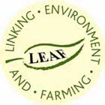 | LEAF is a leading global organisation delivering more sustainable food and farming. The LEAF Marque is an assurance system recognising sustainably farmed products, based on LEAF’s Integrated Farm Management (IFM) principles. All LEAF Marque certified farms are independently inspected to ensure they meet stringent criteria to demonstrate that food is being produced to high environmental standards, across the whole farm. All LEAF Marque certified farms must also be Red Tractor assured or equivalent so will also meet all of Red Tractor's farming and food standards. | ü
WRAP (Worldwide Responsible Apparel Production) | 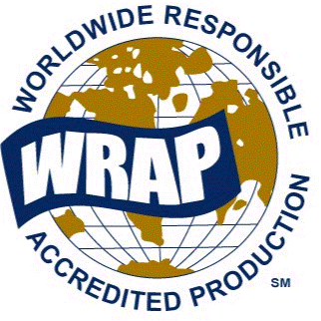 | Three levels of certification that are valid from six months to two years based on a facility's compliance with WRAP's 12 Principles. These principles are based on the rule of law within each individual country and include the spirit or language of the relevant human rights conventions of the International Labor Organization (ILO). Certified facilities can be checked on the website. Certification is especially relevant to organisations where 'sweatshops' are known to operate, e.g. textiles, electronics, footwear, but as opposed to individual organisations or products, is aimed at the factory level. |  |  |  |  |  |  |  |  |  | ü
RSPCA Assured (previously Freedom Food) | 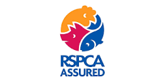 | RSPCA Assured (previously Freedom Food) certification is based on animal welfare standards set by the RSPCA. The RSPCA welfare standards cover every aspect of the animal's life, including feed and water provision, their environment, how they're managed, health care, transport and humane slaughter. The food can come from any producer in Europe that meets the standards, although many are British. | ü

