Semester 1
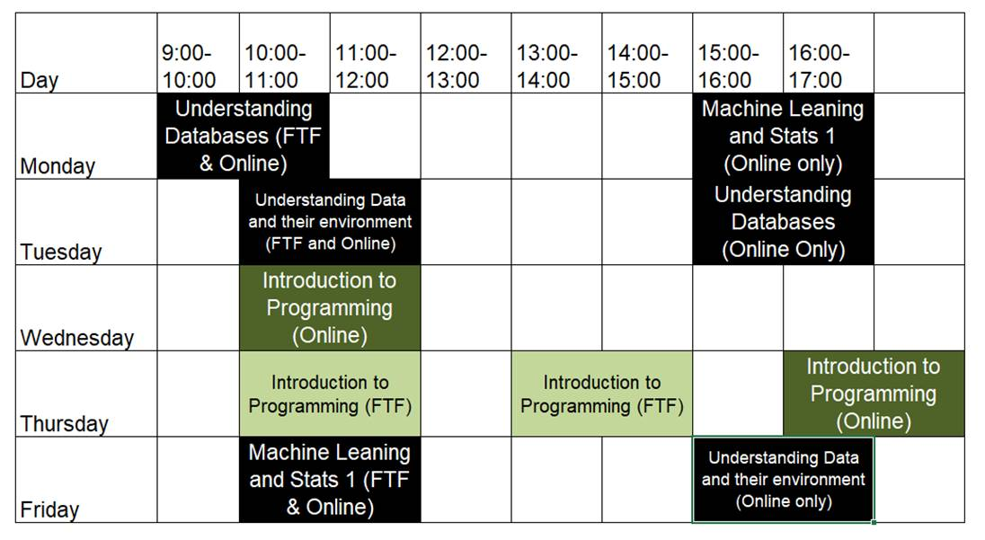
 | 9:00-10:00 | 10:00-11:00 | 11:00-12:00 | 12:00-13:00 | 13:00-14:00 | 14:00-15:00 | 15:00-16:00 | 16:00-17:00
Monday | Understanding Databases (Mixed) |  |  |  |  | Machine Leaning and Stats 1 (Lecture)
Tuesday |  | Machine Leaning and Stats 1 (Practical)
Wednesday |  | Introduction to Programming (Lecture)
Thursday |  |  |  |  | Introduction to Programming (Practical cohort 2)
Friday |  |  |  |  | Understanding Data and their environment (Mixed)

